과업지시서
Concrete, Form 물량 산출
aWBS 총 366항목 중
 |  |  | 개념 |  | 역무 | 물량 산출 예시
Category 1 | 179 종 | 형상제작(더미 포함) -시공 대상물이 형상이 있는 경우 | -패밀리 기반 재료견적 수량 산출 -오브젝트 모델링 즉시 프로그램 상에서 물량이 자동으로 산출되는 aWBS 항목 대상 (더미 오브젝트 포함) | 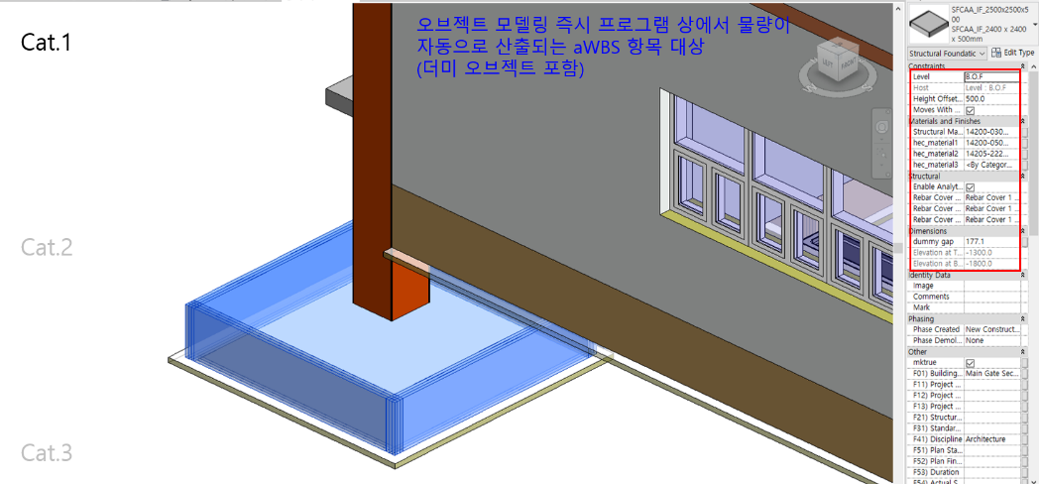 | -Dynamo 활용하여 HEC aWBS와 동일한 Parameter 정보를 가진 재질 DB 생성 및 수정 알고리즘 작성. -패밀리 인스턴스, 더미 객체를 통해 자동 작성되는 재료견적표 물량의 오류 여부 검토. | Reinforced Concrete Pile 등 해당 | Structural Concrete / Form Work, Rebar Work 등 해당 | Heavy, Medium , Light Steel / Girth & Purlin 등 해당 | Steel Stairs / Steel Handrails 등 해당 | Concrete Brick / Sandwich Panel / Steel Door 등 해당
Control Joint 물량 산출
Category 2 | 142 종 | Cat.1 값 기반 보정 계산 산출(by Parameter) | -재료 견적 시트 내의 Calculated Parameter 를 통해 기존 Cat.1의 물량을 수식 적용하여 새로운 물량 산출. (산출 규칙이 비교적 간단하나, 직접 모델링에 워크로드가 많이 필요한 aWBS 항목 대상) | 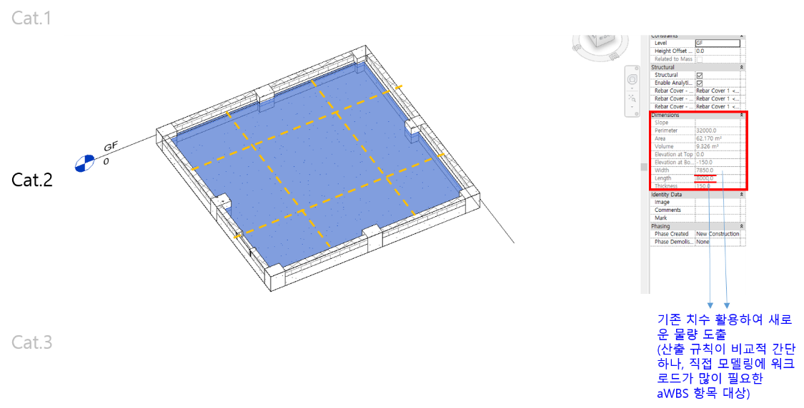 | -공종 별 아이템 특성에 기반하여 Cat.1 의 물량을 기반으로, 계산할 수 있는 수식 설정후 Calculated Parameter로 Revit 카테고리 별 재료 견적표에 삽입. -아이템 별 기존 Cad 적산 기준 파악 후, BIM 상에서 동일 결과 구현가능토록 Calculated Parameter 설정. -산식을 통해 계산되는 재료견적표 Cat.2 물량의 오류 여부 검토. | Backfill, Disposal 등 해당 | Rebar Work / Control Joint 등 해당 | Plates - Gusset, Stiffener 등 해당 | Checkered/Flooring Plate, Grating 등 해당 | Coved Rubber Skirting / Material Dividing Strip 등 해당 | Intumescent Coating Type / Top Coat for Cementitious Fire Proofing / Epoxy Based Intumescent Coating Type 등 해당 | Demolition Work of Finishing Material / Demolition Work of Door / Demolition Work of Window
Category 3 | 45 종 | DYNAMO 가상 모델링 산출 | -Cat.1, Cat. 2로 산출하기 어려운 나머지 aWBS 항목에 대하여 Revit Plug in “Dynamo” 활용하여 가상 모델링 생성 후 물량 산출. (산출 규칙이 복잡하거나 예외조건 등이 많고, 직접 모델링에 워크로드가 많이 필요한 aWBS 항목 대상) | 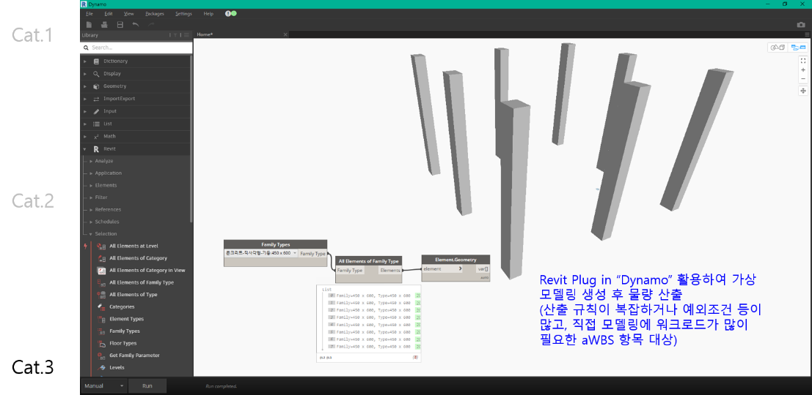 | -공종 별 아이템 특성에 기반하여 Cat.1 의 객체모델링을 기반으로, 가상 모델링 생성하여 수량 산출 후 해당 값을 재료 견적표에 삽입. -아이템 별 기존 Cad 적산 기준 파악 후, BIM 상에서 동일 결과 구현가능토록 Dynamo coding. -산식을 통해 계산되는 재료견적표 Cat.2 물량의 오류 여부 검토. | Excavation 등 해당 | Embedded Steel 등 해당 | Plates - Gusset, Stiffener / Steel Painting 등 해당 | Steel Painting 등 해당 | Flashing Cover for opening / Flashing along Roof Corner 등 해당 | Intumescent Coating Type / Top Coat for Cementitious Fire Proofing / Epoxy Based Intumescent Coating Type 등 해당 | Demolition Work of Finishing Material / Demolition Work of Door / Demolition Work of Window

